Content Page - IMPT
 |  |  |  | Updated: 23 December 2021

 | APPLICATION FORM TO RESUME OPERATIONS IN PROVIDING ACCOMMODATION TO GUEST(S) (INCLUDING FOR PURPOSES OF LEISURE)
 | IMPORTANT: PLEASE READ

 | Name of Hostel:

 | CONTENT PAGE

 | SUBMISSION CHECKLIST |  | Submitted? Select from dropdown | Reason if Not Applicable
1 | VENTILATION REQUIREMENTS
2 | ENTRY TO HOSTEL
3 | FRONT OFFICE / HOSTEL LOBBY
4 | IN-ROOM ENVIRONMENT, ROOM CORRIDORS AND SERVICES RENDERED
5 | HOSTEL F&B ESTABLISHMENTS
6 | WORKPLACE SMMS AND STAFF SAFETY
7 | MANAGING COVID CASES
8 | ENVIRONMENTAL HYGIENE
 | SALES AND MARKETING PLANS

 | Instructions
 | 1. Please save file name in this format: “Hostel Name_Hostel Application Form”. E.g. Hostel123_Hostel Application Form. 2. Only mandatory measures requiring submission of proof (Photos) are listed in this application for. 3. File size of up to 7MB will be accepted. 4. Ensure relevant photos shows clearly the surrounding area and the measure implemented I.e. do not submit close up images of the measure. 5. Ensure all necessary files are filled to avoid delay in assessment process

 | Example of a good image: shows clearly where the measure is implemented
 |  | 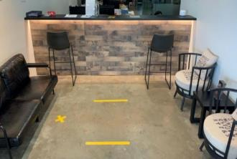
 | Example of a bad image: Unable to see where the measure is implemented.
 |  | 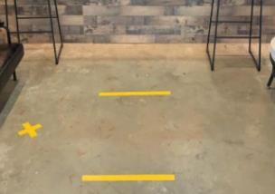

 | Yes
 | No
 | Not Applicable

Entry to Hostel
ENTRY TO HOSTEL
All measures listed are mandatory.
Please cross if fulfiled | Requirements | Image required
TRUE | a. Hostels must ensure there is at least one staff or contractor (e.g. security guard) present and on duty at all times (i.e. 24 hours and 7 days a week) to ensure the hotel is compliant with the Control Orders and the mandatory safe management measures. | No
FALSE | b. Hostels must implement TraceTogether (TT)-only SafeEntry (SE) for contact tracing of every individual to their hostel premises (including each guest, visitor, delivery personnel, contractor and staff), as well as any F&B and recreational facilities located within the hsotel and refuse entry to any individual who refuses to comply. | No
FALSE |  c. Hostels are required to deploy SafeEntry Gateway (SEGW) as an additional mode of check-in available to customers and visitors. E.g. of images: SafeEntry notification/ QR codes set up at entrances. | Yes
FALSE | d.Hostels are reminded to continue to keep records of the following (for not less than 28 days after the day the record is made) as per the COVID-19 (Temporary Measures) (Control Order) Regulations 2020, on top of implementation of TraceTogether-only Safe Entry (TT-only SE): i. The identity of each guest or visitor who enters or leaves the hostel each day; ii. The purpose for which the visitor is entering the specified hostel; and iii. The respective times of entering and leaving the specified hostel. | No
FALSE | e.Hostel must deny entry to the following individuals: i.a visitor to the hostel who is subject to a movement control measure to be complied with at a different location (e.g. home isolation order or stay-home-notice at a Government isolation facility); ii.those who have a positive Polymerase Chain Reaction (PCR) or Antigen Rapid Test (ART) test result. | No
FALSE | f. Hostels must require every individual (including each guest, visitor, delivery personnel, contractor and staff) to wear a mask within the hotel, except where allowed under the relevant Control Order (e.g. where a guest is within his or her room, engaging in strenuous physical exercise, eating, drinking, etc.). | No
- | Please input any other measures hotel may have implemented in this area: | -

